BUG ID_1
BUG ID | 1
Project Name | Acces Control
Module Name | Acces Control Password
Level or phase | Unit
Defect Type | Bug, Non-Functional
Severity | Minimum
Priority | Low
Summary | Incorrect text
Description | 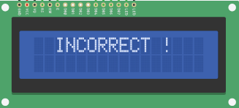 In the requierement document, when the user insert one incorrect password the text has to be "Incorrect Password!" When the log in its failed the display shows:"Incorrect !"
Expected behavior | When the log in its failed the display has to show:"Incorrect Password!"
Observed behavior | When the log in its failed the display shows:"Incorrect !"
Test case name | Incorrect_Password
Test case ID | 2.1 / 2.2 / 4.1 / 4.2 / 4.3 / 4.4 / 4.5
Req ID | 2 / 4 /
Status | Open

BUG ID_2
BUG ID | 2
Project Name | Acces Control
Module Name | Acces Control Module
Level or phase | Integration
Defect Type | Functional
Severity | High
Priority | Hgh
Summary | The LED don’t turn ON after log-in
Description | 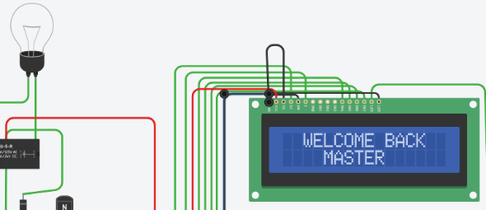 With succesfull log in the LED should be turn on
Expected behavior | The LED has to turn ON
Observed behavior | LED Turned OFF
Test case name | LED_State_After_Login
Test case ID | 5
Req ID | 5
Status | Open

